Instructions
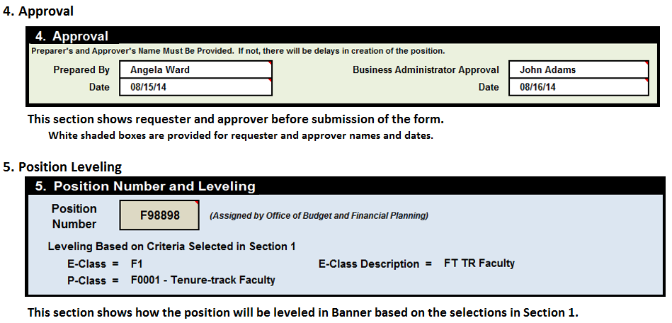
Instructions For Completing Faculty Position Management Form (PMF)

NOTE: Position funding is no longer needed on the PMF. However, a valid FOP and Amount
are necessary.

 | Use Drop Down Selections (Click into Box)
 | Requires Manual Data Entry
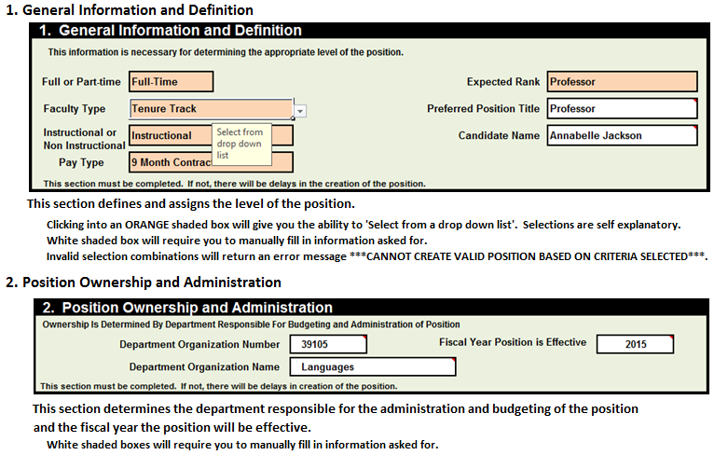

2021

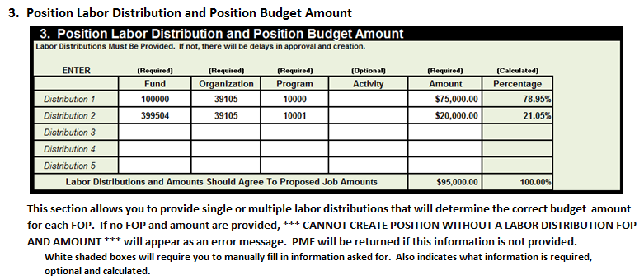

Also, this section will calculate the total value of the position using the current year fringe rate.
A note box is provided for you to add any information relevant to the new position.

